Baseline
STT | Tên Model | Accuracy | F1-score | Recall | Learning Curve | Confusion Matrix | Parameters
1 | GrapeLeafNet (Karthik et al. (2024) - IEEE Access) | 0.9115 | 0.9151 | 0.9149 | 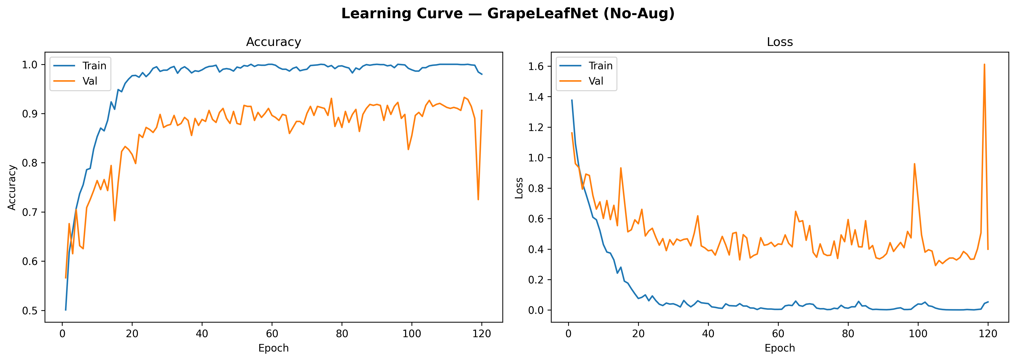 | 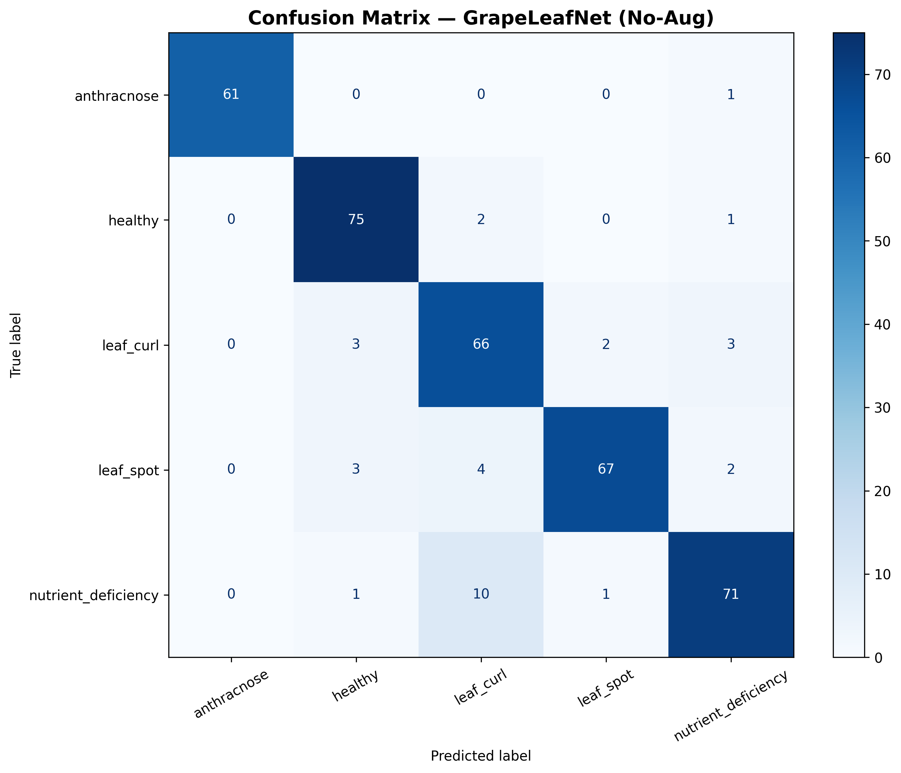 | 5,308,035

Augmented
STT | Tên Model | Accuracy | F1-score | Recall | Learning Curve | Confusion Matrix | Parameters
1 | GrapeLeafNet (Karthik et al. (2024) - IEEE Access) | 0.9759 | 0.9769 | 0.9769 | 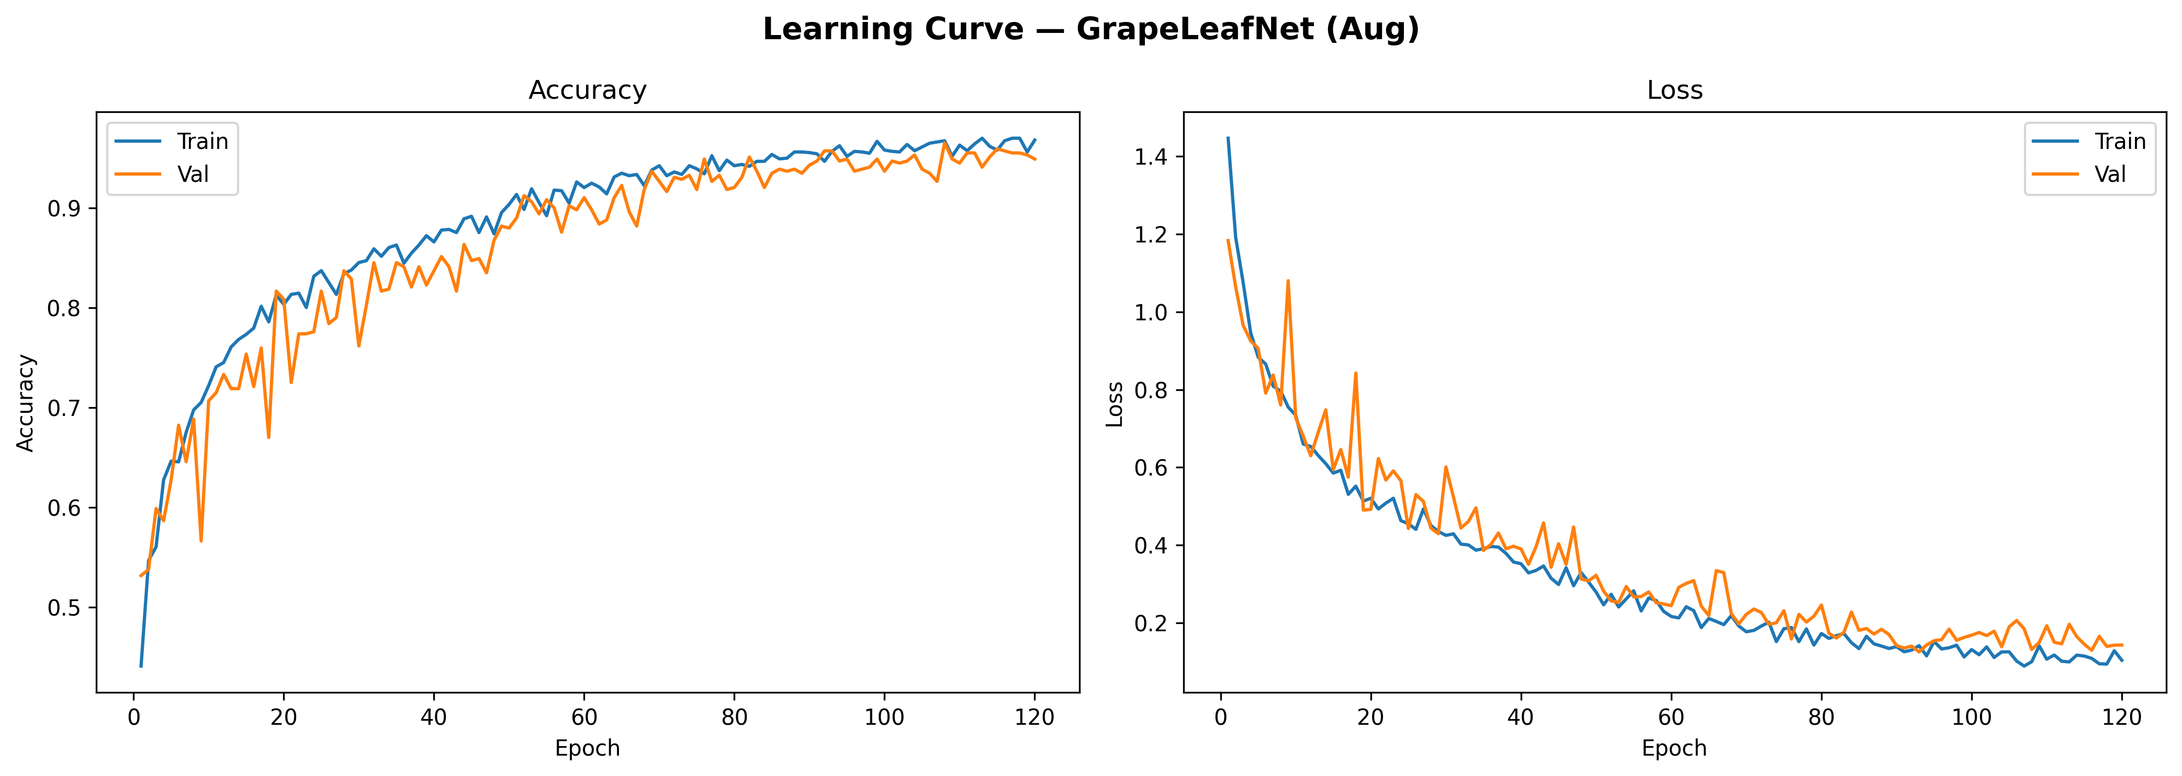 | 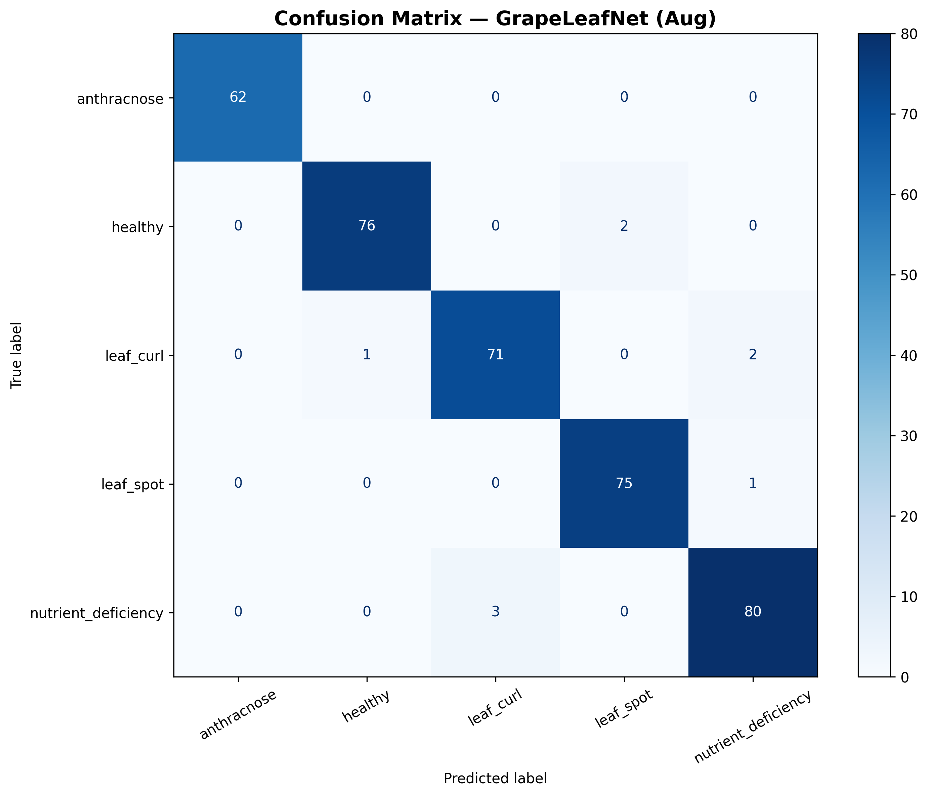 | 5,308,035

